Sheet1
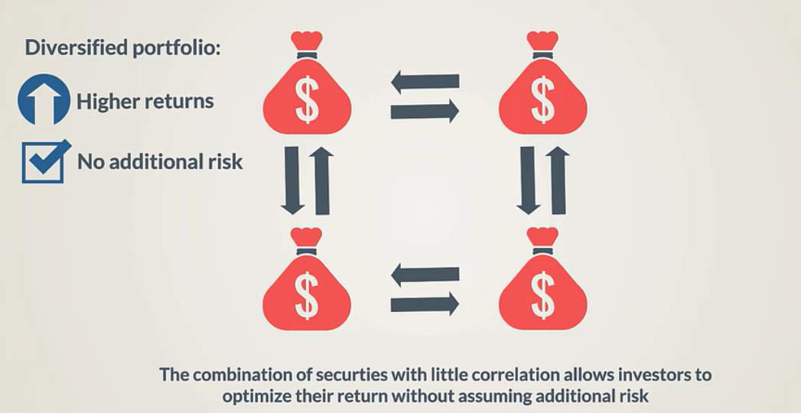
 | Share A | Share B
Expected return | 7% | 9%
Standard deviation | 5% | 8%
Portfolios 1-6: Markowitz Shape
Correlation | 30%

 | Weight A | Weight B | Expected Return | Standard Deviation
Portfolio 1 | 100% | 0% | 7.00% | 5%
Portfolio 2 | 80% | 20% | 7.40% | 5%
Portfolio 3 | 60% | 40% | 7.80% | 5%
Portfolio 4 | 40% | 60% | 8.20% | 6%
Portfolio 5 | 20% | 80% | 8.60% | 7%
Portfolio 6 | 0% | 100% | 9.00% | 8%
 |  |  |  |  | We can see that there is a set of efficient portfolios that provides greater return at same or even lower risk (markowitz idea)

